Dala Sales & Deliveries
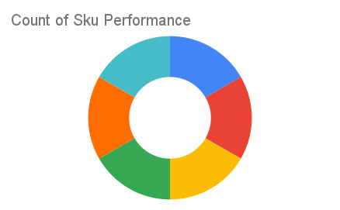
 | Total Invoices Delivered | 23.00 | Sku Performance | Units | Value
 | Unique Locations Supplied | 23.00 | 500g Grandios Brown Pap (20x) | 10.25 | 328,000.00
 | Total Value of orders | 1,295,550.00 | 500g Grandios White Pap (20x) | 12.00 | 384,000.00
 |  |  | 500g Grandios Yellow Pap (20x) | 13.75 | 440,000.00
 |  |  | 50g Grandios White Pap (120x) | 1.75 | 34,650.00
 |  |  | 50g Grandios Yellow Pap (120x) | 2.75 | 54,450.00
 |  |  | 50g Grandios Brown Pap (120x) | 2.75 | 54,450.00
 |  |  |  | 0.00 | 0.00
 |  |  |  | 0.00 | 0.00
 |  |  |  | 0.00 | 0.00
 |  |  |  | 0.00 | 0.00
2025-04-11 |  |  |  | 0.00 | 0.00
 |  |  |  | 0.00 | 0.00

